All_around
Concept : Company Management System (CMS)
 | System that contain all data / process and report of an employee on the company

Project Group Members
 | Name | Student ID | Responsibilities
 | Amon Oswald Hackl | 673040671-2 | Planing / OOP
 | Premiga Pengtap | 673040672-0 | GUI
 | Yu Thandar Kyaw | 673040470-2 | UX/UI / Support

Motivations and Problem Statements
 | What real world problem
 | - There are many difficulties in a company in managing employee data, approvals, and requests.Most of traditional methods such as spread sheets, emails make delays and security risks.

 | Who experience it and how
 | - HR departments, managers, employees companies and every company that doesn't have time saving and easy-to- use Company Management system. They don't have enough employee data, and employees have difficulties to check approvals, reports, and help desk request in one place.

 | Why is important to solve
 | - It reduces a lot of tasks, it helps company data more consistent and it improves security of each position's control.

 | Why it's worth solving — (2)genuine problems
 | 1) Toyota production Crisis (2009)
 | - Because the company becomes bigger, they faced control inefficiency in management system. It shows it can happen slow decision making and also lose productivity.
 | 2) Blockbuster depended only on physical stores while Netflix is launched.It shows the failure to adopt new technology.

Objectives
 | - Develop login and register system to be sure security for employees and managers.
 | - Implement employees data and update user data.
 | - Create an approval system which managers or higher positions can approve or deny user requests digitally.
 | - Develop a helpdesk system which employees can submit and report their problems
 | - Create Log out feature to have strong security and user control.

Target Group
 | - Employess (submitting requests, view data)
 | - HR officer / managers and higher(manage employees record and control approval)

Their need and pain points
 | - They need all in one platform to manage company data.
 | - They find difficulties with slow, unorganized approval process.
 | - They need tracking employees requests and helpdesk.

Scope
Core features and functionality that will be implemented
 | - Login / Register / Status / Error feedback / Report App
 | - Data / Contack_list / Approve / Helpdesk / Logout
Features that are specifically NOT included in this version

Technical limitations and constraints

Project timeline and major milestones
 | Activities |  |  | Week |  |  |  |  |  |  | Late
 |  |  |  | 1 | 2 | 3 | 4 | 5 | 6 | 7 | Ongoing
 | Plan Diagram (OOP,GUI,UXUI,Data) / Features |  |  |  |  |  |  |  |  |  | Pass

Development Tools
 | Programming languages
 | - Python
 | - SQL (Maybe..)

 | Libraries
 | - datetime
 | - math
 | - tkinter
 | - sqlite3
 | - matplotlib
 | - ABC, abstractmethod

Software and Services
 | Design tools
 | - Figma
 | - Drawio

 | Testing code
 | - MYP group will make the testing code.

 | Team Resource
 | - CDLC studio room
 | - ENKKU library

 | Communication tools
 | - Messenger

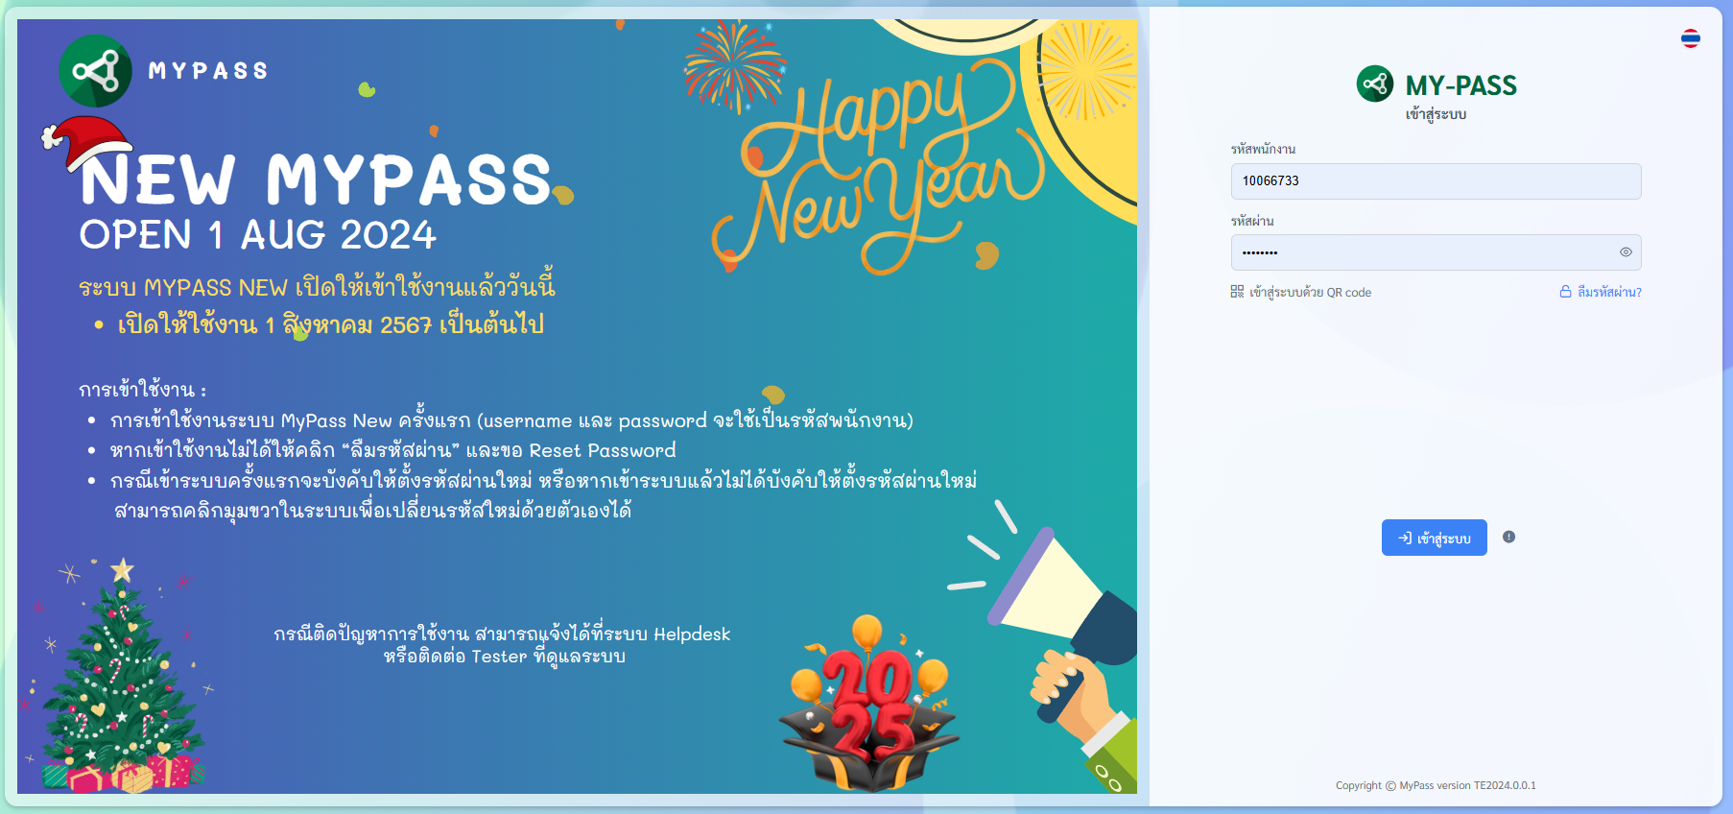
Related Work
ACE

UI/UX Sketches
 | CMS_rev4.pdf
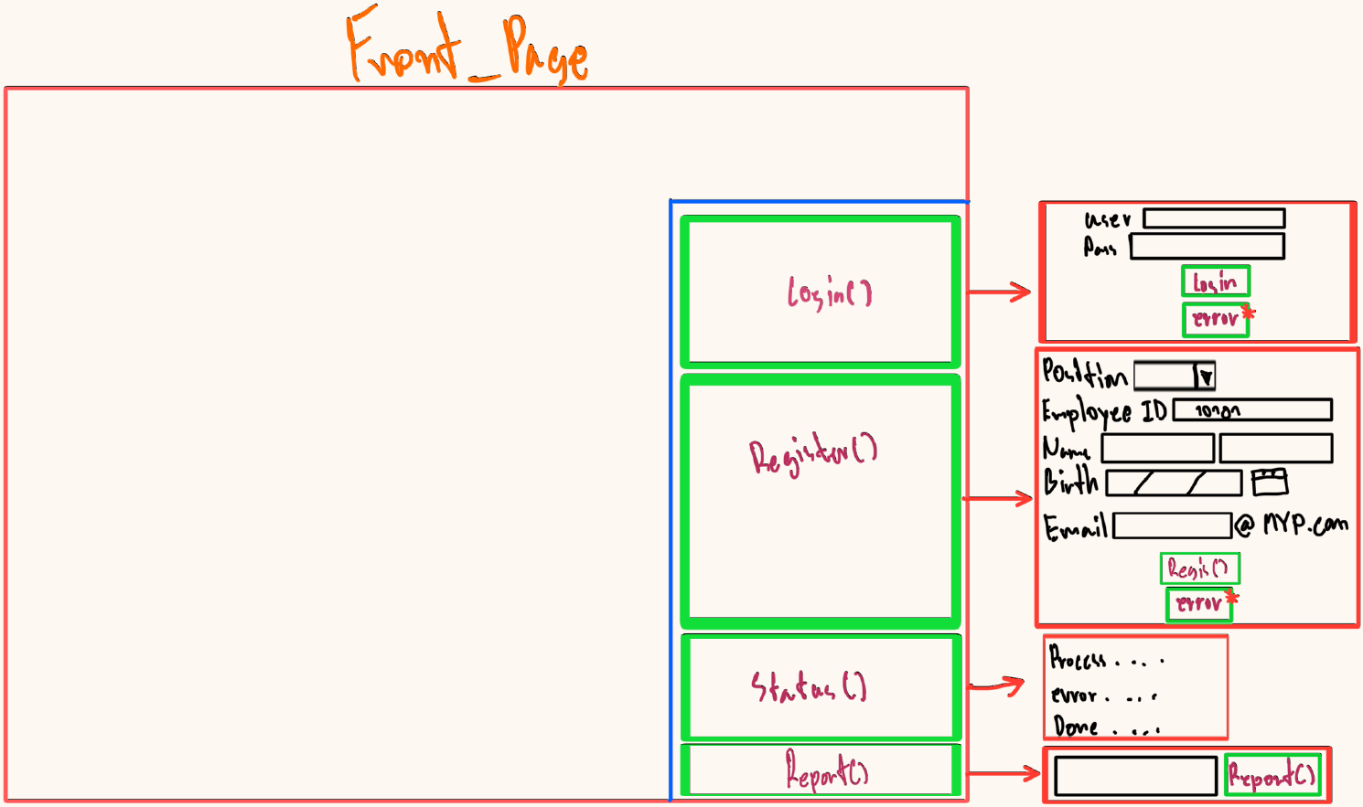
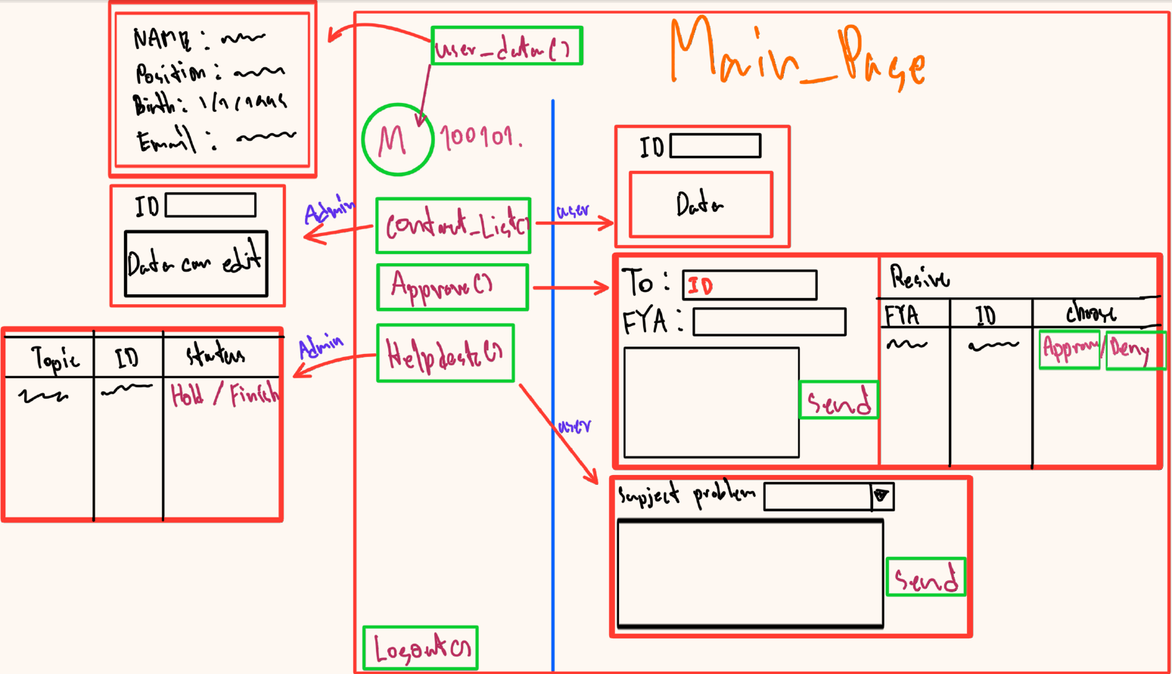

Windows & Page
- Front_Page ()
 | Login() :
 |  |  |  |  |  |  |  |  |  |  | - Rank
 | Register() : |  |  |  |  |  |  |  |  |  |  | Position | User_Data() | User_Contact_list() | Approve() | User_Helpdesk() | Admin_Contact_list() | Admin_Helpdesk()
 |  |  |  |  |  |  |  |  |  |  |  | Support | / |  | / |  | / | /
 | Report() : |  |  |  |  |  |  |  |  |  |  | Board | / | / | / | /
 |  |  |  |  |  |  |  |  |  |  |  | Human resources | / |  | / | / | /
- Main_Page () |  |  |  |  |  |  |  |  |  |  |  | Manager | / | / | / | /
 | User_Data() : |  |  |  |  |  |  |  |  |  |  | Worker | / | / | / | /

 | User_Contact_list() :

 | Approve() :

 | User_Helpdesk() :

 | Admin_Data() :

 | Admin_Helpdesk() :

 | Logout() :

